2018
 | 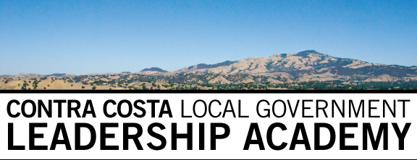 |  |  | The Organizing Committee serves as the primary liaison between the Leadership Academy and participating agency. The Organizing Committee develops the curriculum, budget, selection of participants and selection of class projects. Current and prospective participants may contact their agency's Organizing Committee representative at any time.
 |  |  | ORGANIZING COMMITTEE LIST (updated 10/3/18)
 | Agency | Slots per Agency* | Name | Title | E-Mail | Phone
1 | Antioch | 2 | Ron Bernal | City Manager | rbernal@ci.antioch.ca.us | (925) 779-7011
2 | Brentwood | 2 | Sukari Beshears | Dir of Human Resources/Risk Mgr | sbeshears@brentwoodca.gov | (925) 516-5131
3 | Concord | 4 | Joelle Fockler | City Clerk | joelle.fockler@cityofconcord.org | (9253351908
4 | Contra Costa County | 3 | Jami Napier | Chief Asst. Clerk of the Board | jami.napier@cob.cccounty.us | (9253351096
5 | CCCFPD (ConFire) | 1 | Lewis Broschard | Assistant Fire Chief | lbros@cccfpd.org | (9259413520
6 | CCTA | 1 | Tarienne Grover | Clerk of the Board | tgrover@ccta.net | (925) 256-4722
7 | Danville | 2 | Nat Rojanasathira | Administrative Services Director | nrojanasathira@danville.ca.gov | (9253143328
8 | El Cerrito | 2 | Kristen Cunningham | HR Director | kcunningham@ci.el-cerrito.ca.us
9 | Hercules | 1 | David Biggs | City Manager | dbiggs@ci.hercules.ca.us | (5107998216
10 | Lafayette | 1 | Tracy Robinson | Administrative Services Director | trobinson@ci.lafayette.ca.us | (9252993227
11 | Martinez | 1
13 | Moraga | 1 | Amy Cunningham | Administrative Services Director | acunningham@moraga.ca.us
14 | Oakley | 1 | Bryan Montgomery | City Manager | montgomery@ci.oakley.ca.us | (9256257025
15 | Orinda | 1 | Larry Theis | Director of Public Works & Engineering Services | ltheis@cityoforinda.org | (925) 253-4260
16 | Pinole | 1 | Hector De la Rosa | Assistant City Manager | hdelarosa@ci.pinole.ca.us | (510) 741-3864
17 | Pittsburg | 2 | Stacy Shell | HR Director | sshell@ci.pittsburg.ca.us | (925) 252-4034
18 | Pleasant Hill | 1 | Andrew Murray | Assistant City Manager | amurray@pleasanthillca.org | (9256715284
19 | Richmond | 2 | Donna F. Newton | HR Personnel Officer | donna_newton@ci.richmond.ca.us | (510) 621-1218
20 | San Pablo | 1 | Reina Schwartz | Assistant City Manager | rschwartz@sanpabloca.gov
21 | San Ramon | 2 | Eric Figueroa | Assistant City Manager | efigueroa@sanramon.ca.gov | (9259732530
22 | Walnut Creek | 3 | Fran Robustelli | Assistant City Manager | robustelli@walnut-creek.org | (9259435814
23 |  | 35 | Eileen Beaudry | Director | eileenbeaudry@gmail.com | (8317509374
 | *The Slots per Agency are cooperatively determined annually at the Organizing Committee meeting prior to the Academy start.
 | Factors include agency size, number of slots used in prior years, and representation at the meeting.

